Introductory Note
Subject: Development of eligibility criteria for the creation of national CAN-MDS Operators' Core & Expanded Groups (Activity 3.1)
WHEN: 7th Month
WHO: All partners (Belgium, Bulgaria, France, Germany, Greece, Italy, Romania, Switzerland) AND other interested parties (countries)
Context: WORKSTREAM 3-CREATING SYNERGIES: Building of national CAN-MDS Core Groups of Operators
Expected outcome: Eligibility criteria for potential operators of Core & Expanded CAN-MDS groups
Core Groups: National groups of ~20-25 members who are going to be trained on issues related to CAN-MDS
HOW: According to the agreed upon set of criteria, Local Coordinators will select the professionals to be invited to participate in the national core groups of ~20-25 members (and the respective training-see WS.3: Activity 2). The "mission" of the members of these groups representing the most relevant services/professions in CAN cases administration is to be trained for piloting a future national CAN-MDS mechanism (WS.4), to act potentially as "multipliers" by contributing in the formulation and the capacity building of the Expanded national groups of CAN-MDS operators and to lobby for the adoption of CAN-MDS (WS.5).
WHEN: To be created in the context of the project, upon the finalization of the definition of eligibility criteria
WHO: All Local Coordinators
Expanded Groups (to be included in national policy manuals [WS.5]) All potential professionals-operators in a national CAN-MDS system (with different levels of access)
WHEN: In the future (in case that a CAN-MDS mechanism will be piloted and/or implemented (not in the context of this project)
WHO: All partners AND members of the national Core groups will contribute
METHODOLOGY FOR DEFINING ELIGIBILITY CRITERIA FOR CAN-MDS CORE & EXPANDED GROUPS OF OPERATORS
Step A Identification of relevant fields to be involved in a future CAN-MDS system
Step B Identification of eligible professionals to be invited as potential operators of a CAN-MDS system per working field
Step C Identification of responsibilities of each eligible professionals' group and suggested involvement (core group, expanded group, both groups)
Step D Decision of level of access of eligible professionals' expanded groups of operators working in relevant fields in a future CAN-MDS according to their responsibilities in regards to the administration of CAN cases
Step E Partners' suggestions for potential Agencies/Organizations to undertake the role of the "Administrator" of a future national CAN-MDS system
Centre for the Study and Prevention of Child Abuse and Neglect Department of Mental Health and Social Welfare Institute of Child Healt
PLESE RETURN THE COMPLETED FILE TO
ntinapogias@ich-mhsw.gr
Centre for the Study and Prevention of Child Abuse and Neglect
Department of Mental Health and Social Welfare
Institute of Child Health
www.can-via-mds.eu

Step A
Step A
In order to define the eligibility criteria for national Core & Expanded CAN-MDS groups, all the potential fields relevant to CAN cases administration were identified. These are generic rather than country specific.
Ten (10) fields were decided on (see white font in blue cells).
Instructions
1. First, please fill-in the name of your country (cell B1)
2. In column C, next to each potentially relevant field please enter “YES” (=“the specific field is relevant to the administration of CAN cases in my country”) or “NA” (“non applicable for my country”) respectively (examples in the screenshot below: line 1 "YES"; line 2: "NA")
NOTE: It is important to use “NA” (instead of “NO” or other words) because this information is transferred in the next worksheets automatically.
3. If you would like to provide any comments and/or clarifications per field, please use the respective cell (column D).
NOTE: Only fields where data should be inserted are editable (the remaining are locked because of auto-complete functions among the worksheets; if you would like to unlock the worksheet, the password is "1")
4. If you would like to add further fields, please use lines 11, 12, 13 (the specific cells are editable, see also red circle in the screenshot below)
Country: | [name of the country here] | Please indicate which of the following fields you consider could be invited to participate in a future CAN-MDS system in your country ("Yes", "NA") | Comments (if any)
CAN administration potential relevant fields
1 | Child Protection/ Social Welfare Services | please write Yes or NA
2 | Mental Health Services | please write Yes or NA
3 | Physical/GeneralHealth Care Services (primary, secondary & tertiary) | please write Yes or NA
4 | Judicial Services | please write Yes or NA
5 | Law Enforcement-related Services | please write Yes or NA
6 | Educational Services (preschool, primary & secondary, public & private) | please write Yes or NA
7 | Already existing registries/monitoring mechanisms including CAN cases | please write Yes or NA
8 | Research Organizations/ Institutions | please write Yes or NA
9 | Independent Authorities (such as Child Ombudsman) | please write Yes or NA
10 | Accredited NGOs/ Community Organizations | please write Yes or NA
11 | Other field? Please define here | please write Yes or NA
12 | Other field? Please define here | please write Yes or NA
13 | Other field? Please define here | please write Yes or NA
 | Information of Responder(s) to be used in the acknowledgements
 | Name(s) of Responder(s) | Specialty/ Position | Organization/ Agency (and contact details)

Step B
Step B
All potential stakeholders -namely professionals' groups- were listed under each individual field, according to information derived from the available country profile reports (WS.1) or the presentations (1st MM).
Instructions
NOTE: Depending on your responses in Step A, the blue cell next to each field is auto-updated; for fields you considered as relevant, the indication "YES" will appear (as, for example, in 1. Child Protection/Social Welfare services in the screenshot below). For fields you considered as "non applicable for your country" (by entering "NA"), the indication "NA" will apper for the whole field, including the potential professionals' group (as, for example, in 2. Mental Health Services in the screenshot below)
1. Please, indicate whether each of the professionals' groups under each field you consider that could be invited to participate in a future CAN-MDS system in your country (by entering "Yes", "NA" respectivelly in column C) but ONLY for fields you already considered as relevant (as, for example, in 1. Child Protection/Social Welfare Services).
NOTE: Again, it is important to use “NA” (instead of “NO” or other words) because this information is transferred in the next worksheets automatically.
2. If you would like to provide any comments and/or clarifications per field, please use the respective cell (column D).
NOTE: Only fields where data should be inserted are editable (the remaining are locked because of auto-complete functions among the worksheets; if you like to unlock the worksheet, the password is "1")
3. If you would like to add further professionals' groups under each field, please use the 3 last lines under each working field (the specific cells are editable)
Professionals working in potential CAN relevant fields |  | Please indicate which of the following professionals under each field you consider could be invited to participate in a future CAN-MDS system in your country ("Yes", "NA")
Step B - Instruction: According to your responses in Step A, the eligible fields would appear automatically (blue cells in column C); please indicate the eligible professionals ONLY under the eligible fields ("Yes")
 |  |  | Comments (if any)
1 | Child Protection/ Social Welfare Services | please write Yes or NA
 | 1. Social workers working in Social Services
 | 2. Psychologists working in Social Services
 | 3. Other lisenced Counselors working in Social Services
 | 4. Nurses working in Social Services
 | 5. Health Visitors working in Social Services
 | 6.Residential workers/Care providers working in child residential institutions
 | 7. Professionals working with victims of intimate partner violence, both adults and children
 | 8. Other
 | 9. Other
 | 10. Other

2 | Mental Health Services | please write Yes or NA
 | 1. Child Psychiatrists working in child mental health services
 | 2. Psychologists working in child mental health services
 | 3. Family Counsellors working in mental health services
 | 4. Youth Counsellors working in mental health services
 | 5. Mental health professionals/Counsellors in helplines for children
 | 6. Social workers working in child mental health services
 | 7. Other
 | 8. Other

3 | Health Care Services (primary, secondary & tertiary) | please write Yes or NA
 | 1. Child Psychiatrists working in child hospitals/ pediatric units
 | 2. Child Psychiatrists working in primary health care
 | 3. Pediatricians (specialized or not) working in child hospitals/ pediatric units
 | 4. Pediatricians (specialized or not) working in primary health care
 | 5. Medical Doctors in general working in Emergency Departments
 | 6. Medical Doctors in general working in hospitals
 | 7. Medical Doctors in general working in primary health care
 | 8. Psychologists working in child hospitals/pediatric units
 | 9. Psychologists working in primary health care
 | 10. Nurses working in child hospitals/ pediatric units
 | 11. Nurses working in Emergency Departments
 | 12. Nurses working in hospitals (in general)
 | 13. Nurses working in primary health care
 | 14. Social workers working in hospitals' social services departments
 | 15. Gynecologists working in hospitals
 | 16. Dentists working in hospitals
 | 17. Midwives working in hospitals
 | 18. Other specialized MD (e.g. orthopedists, radiologists) working in hospitals
 | 19. Other
 | 20. Other
 | 21. Other

4 | Judicial Services | please write Yes or NA
 | 1. Judges of Family Courts
 | 2. Judges of Juvenille Courts
 | 3. Judges (in general)
 | 4. [Deputy] Public Prosecutors in charge of minors
 | 5. [Deputy] Public Prosecutors (in general)
 | 6. Forensic Surgeons’ professionals
 | 7. Lawyers working in judicial system
 | 8. Mental health professionals working in judicial services
 | 9. Social workers working in judicial services
 | 10. Probation officers
 | 11. Other
 | 12. Other
 | 13. Other

5 | Law Enforcement-related Services | please write Yes or NA
 | 1. Police officers with specific training in forensic interviewing
 | 2. Specialized police officers for crimes against minors
 | 3. Mental health professionals working in Police Services
 | 4. Specialized police investigators
 | 5. Police officers (in general)
 | 6. Other
 | 7. Other
 | 8. Other

6 | Educational Services (primary & secondary, public & private) | please write Yes or NA
 | 1. Early childhood educators (pre-school/kindergarden)
 | 2. Teachers (primary education)
 | 3. Teachers (secondary education)
 | 4. Teachers for children with special needs
 | 5. School Principals
 | 6. School Counselors
 | 7. School Nurses
 | 8. School Psychologists
 | 9. School Social Workers
 | 10. Other School Personnel
 | 11. Other
 | 12. Other

7 | Available related Registries | please write Yes or NA
 | 1. Professionals working in authorities for CAN-data collection (nationwide registries)
 | 2. Professionals working in authorities for CAN-data collection (other registries)
 | 3. Other
 | 4. Other
 | 5. Other

8 | Independent Authorities | please write Yes or NA
 | 1. Professionals working in authorities for personal data administration (e.g. national statistic agencies specialized in social welfare data)
 | 2. Professionals working in Child Ombudsman
 | 3. Other
 | 4. Other
 | 5. Other

9 | Research Organizations/ Institutions | please write Yes or NA
 | 1. Professionals working in Research Institutes
 | 2. Professionals working in Academic Insitutes
 | 3. Other
 | 4. Other
 | 5. Other

10 | Accredited NGOs/ Community Organizations | please write Yes or NA
 | 1. Social workers working in accredited NGOs
 | 2. Mental health Professionals working in accredited NGOs
 | 3. Medical doctors working in accredited NGOs
 | 4. Nurses working in accredited NGOs
 | 5. Teachers/educators working in accredited NGOs
 | 6. Lawyers working in accredited NGOs
 | 7. Other personnel working in accredited NGOs (e.g. priests)
 | 8. Other personnel working in accredited NGOs
 | 9. Other personnel working in accredited NGOs

11 | Other field? Please define here | please write Yes or NA
 | 1.
 | 2.
 | 3.

12 | Other field? Please define here | please write Yes or NA
 | 1.
 | 2.
 | 3.

13 | Other field? Please define here | please write Yes or NA
 | 1.
 | 2.
 | 3.

Step C-Instructions
Step C.
After Steps A and B, the eligible fields and professional groups are identified and worksheet "Step C" will be updated automatically (column B is totally auto-completed). In any case where you entered "NA" in the previous steps, in all columns of Step C will apper "NA"; see for example 1. Child Protection/Social Welfare Services in the next screenshot).
Next, the identification of the responsibilities related to (suspected) CAN case management per professionals' group per field is targeted. Please have in mind that you should provide information only for the cases that are NOT pre-filled with "NA".
This information will be used for deciding
i. the level of access each specific eligible group of professionals will have as operators of the national CAN-MDS system and
ii. whether each specific eligible group of professionals will be represented in Core/ Expanded or both groups (given the limited number for core groups).
Instructions
1. Initially, in column C, please indicate whether each eligible professionals’ group is subjected to a specific “code of ethics” (see green column in the next screenshot)
2. Similarly, please indicate whether the specific groups of professionals have (or not) each one of the responsibilities mentioned in columns D to Q, (light blue in the next screenshot) the following:
[D] making referrals to other organizations/services for ALL CAN cases (no administration)
[E] notifying (optionally) the authorities of (suspected) CAN cases
[F] applying screening in the general child population for CAN
[G] reporting mandatorily (suspected) CAN cases
[H] providing emergency protective measures for CAN victims
[I] receiving reports of (suspected) CAN cases
[J] keeping & maintaining CAN case records
[K] keeping follow-up of CAN cases
[L] gathering evidence/ documentation for CAN cases
[M] conducting initial assessments for suspected CAN cases
[N] providing services to CAN victims (diagnostic/ treatment/ consultation/ care)
[O] providing services to CAN victims' families (support)
[P] providing legal advice/ consultation/ advocacy services for CAN cases
[Q] making decision on whether sufficient evidence exists to prosecute alleged offenders
Note: Please, insert comments where further clarification/information is needed (right click→insert comment)
3. Lastly, please indicate where you consider each professionals' group should be represented (columns R and S)
[R] to national Core CAN-MDS group of (potential) operators
[S] to national Expanded CAN-MDS group of (potential) operators
[R+S] to both (Core & Expanded) CAN-MDS groups of (potential) operators
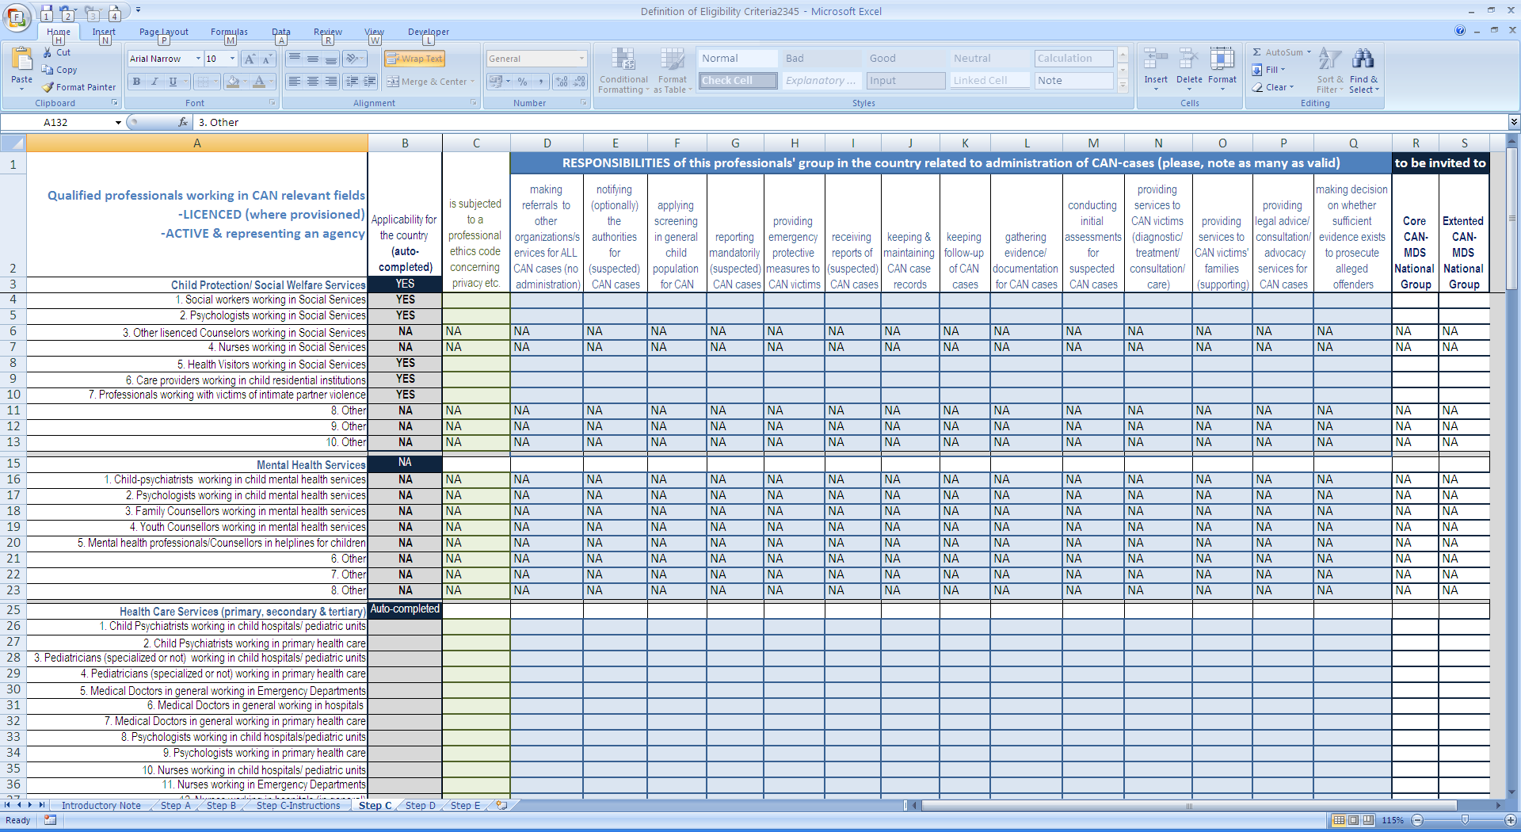

Step D-Instructions
Step D
In the next screen-shot an assingment of level of access is indicated (with red symbols) according to professionals' specialties and the responsibilities of their organizations/agencies/ services in the management of (suspected) CAN cases.
The description for each level of access is available in the textbox below the table.
Instructions
Please check whether the suggested access of level are in accordance with your national legislation AND make changes (by indicating another level), where needed.
NOTE: Each individual "responsibility" (under column A) that is applicable in your country should correspond in one only level of access (e.g. for "conducting initial assessments for suspected CANcases" cannot valid at the same time "Limited Access Level 2" and "Limited Access Level 3")
NOTE: If you have any comment/ correction/ modification for the level of access please let us know
Next step: Based on the completed table in Step D and the partners' responses in Steps A, B and C, a decision will be made on common eligibility criteria for both, professionals to participate in national Core groups and professionals that could potentially be CAN-MDS ooperators in expanded groups.
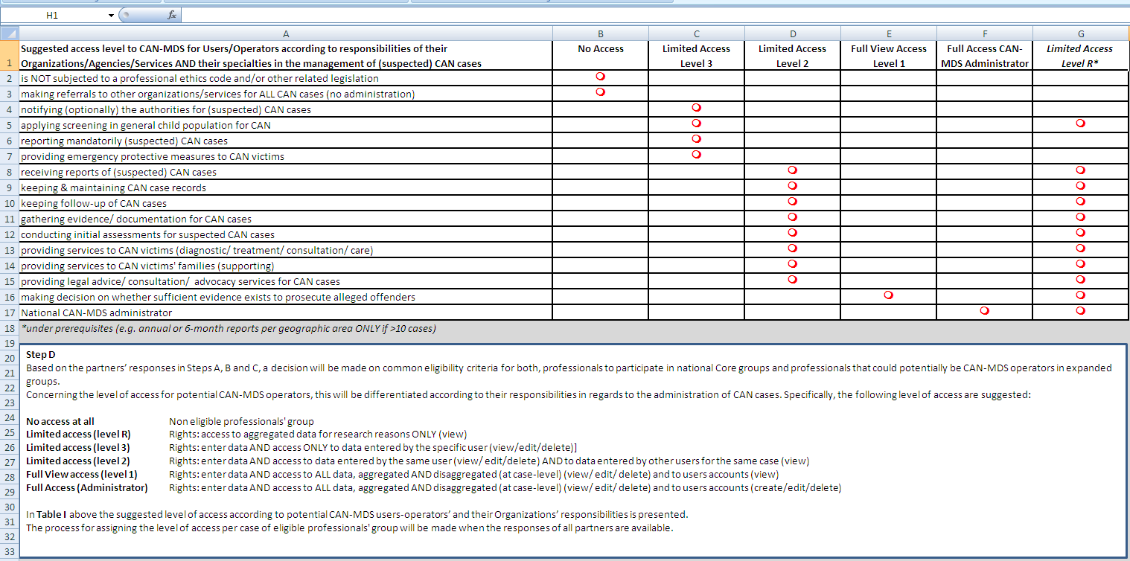

Step D
Suggested access level to CAN-MDS for Users/Operators according to responsibilities of their Organizations/Agencies/Services AND their specialties in the management of (suspected) CAN cases | No Access | Limited Access Level 3 | Limited Access Level 2 | Full View Access Level 1 | Full Access CAN-MDS Administrator | Limited Access Level R*
is NOT subjected to a professional ethics code and/or other related legislation | m
making referrals to other organizations/services for ALL CAN cases (no administration) | m
notifying (optionally) the authorities for (suspected) CAN cases |  | m
applying screening in general child population for CAN |  | m |  |  |  | m
reporting mandatorily (suspected) CAN cases |  | m
providing emergency protective measures to CAN victims |  | m
receiving reports of (suspected) CAN cases |  |  | m |  |  | m
keeping & maintaining CAN case records |  |  | m |  |  | m
keeping follow-up of CAN cases |  |  | m |  |  | m
gathering evidence/ documentation for CAN cases |  |  | m |  |  | m
conducting initial assessments for suspected CAN cases |  |  | m |  |  | m
providing services to CAN victims (diagnostic/ treatment/ consultation/ care) |  |  | m |  |  | m
providing services to CAN victims' families (supporting) |  |  | m |  |  | m
providing legal advice/ consultation/ advocacy services for CAN cases |  |  | m |  |  | m
making decision on whether sufficient evidence exists to prosecute alleged offenders |  |  |  | m |  | m
National CAN-MDS administrator |  |  |  |  | m | m
*under prerequisites (e.g. upon request OR annual or 6-month reports per geographic area ONLY if >10 cases)
Step D
Based on the partners’ responses in Steps A, B and C, a decision will be made on common eligibility criteria for both, professionals to participate in national Core groups and professionals that could potentially be CAN-MDS operators in expanded groups.
Concerning the level of access for potential CAN-MDS operators, this will be differentiated according to their responsibilities in regards to the administration of CAN cases. Specifically, the following level of access are suggested:
No access at all Non eligible professionals' group
Limited access (level R) Rights: access to aggregated data for research reasons ONLY (view)
Limited access (level 3) Rights: enter data AND access ONLY to data entered by the specific user (view/edit/delete)]
Limited access (level 2) Rights: enter data AND access to data entered by the same user (view/ edit/delete) AND to data entered by other users for the same case (view)
Full View access (level 1) Rights: enter data AND access to ALL data, aggregated AND disaggregated (at case-level) (view/ edit/ delete) and to users accounts (view)
Full Access (Administrator) Rights: enter data AND access to ALL data, aggregated AND disaggregated (at case-level) (view/ edit/ delete) and to users accounts (create/edit/delete)
In Table I above the suggested level of access according to potential CAN-MDS users-operators’ and their Organizations’ responsibilities is presented.
The process for assigning the level of access per case of eligible professionals' group will be made when the responses of all partners are available.

Step E
Step E
Althgough the information concerning potential Administrators of national CAN-MDS systems is not related to operators' eligibility criteria directly, as a final step of this process each partner is requested to propose the national Agency/Organization s/he consider as the most appropriate to undertake the role of the administrator of a potential CAN-MDS national system.
Specifically, each partner is requested to provide:
Title (name) of the agency
Field where the agency belongs
Legal status of the agency
Adequacy to undertake this role
Legal authorization (already available or feasible to be achieved e.g. from national authorities for administration of sensitive personal data)
Adequacy of expertise (namely whether there are currently available in the agency experienced professionals working with administration of child abuse and neglect cases AND at the same time are experienced in maintaining records/ registries/ archives for the cases)
Sufficiency in terms of both, human resources and technical means
Any other comment/ information
Suggested Agency-Administrator of national CAN-MDS Please, provide your suggestion concerning the national agency/organization you consider as the most appropriate to undertake the role of the Administrator of a potential CAN-MDS national system; moreover, please provide some more information concerning the identity of the suggested Organization
Agency/Organization to be in charge for national CAN-MDS ("Administrator") |  | [please define]
Field where the agency belongs |  | [please define]
Legal status |  | [please define]
Adequacy to undertake this role | Legal authorization (available or feasible to achieved) | [please define]
 | Adequacy of expertise (professionals working with CAN cases AND experienced in maintaining registries) | [please define]
 | Sufficiency in terms of human resources | [please define]
 | Sufficiency in terms of technical means | [please define]
Other information/Comments |  | [please define]
At a later phase, a more comprehensive description of the identity and the operation of the suggested Organization-potential CAN-MDS Administrator will be provided

